budget_overview
The US forest service funding comes directly from the general funding which is directed by congress often times there are significant time delays that can occur for several years so many states have begun allocated their own funding. However for the purposes of this model we will just be investigating the insights of how the general fund and its percentage of fire suppression impact fire risk. A more in depth approach would be to gather the funding each state allocates however this data is not readily avaliable and would take too long to gather individually per state so this approach should be considered for future work.

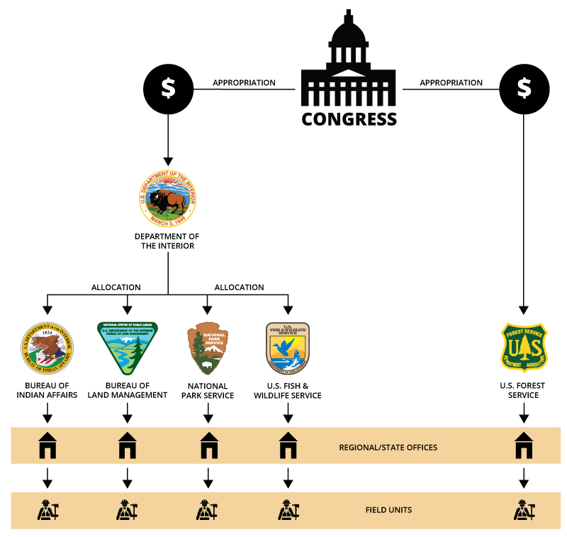

 | Suppression Suppression is the work associated with extinguishing or confining a fire. Resolution of a wildfire incident may include activities ranging from immediate and aggressive measures to suppress a wildfire (e.g., personnel and large air tanker response for a wildfire moving quickly toward a 14 P.L. 115-141 Division G. 15 For more information on these changes, see CRS Report R46557, Forest Service Appropriations: Ten-Year Data and Trends (FY2011-FY2020), by Katie Hoover.� Federal Wildfire Management: Ten-Year Funding Trends and Issues (FY2011-FY2020) Congressional Research Service 6 populated area) to immediate but less intense measures (e.g., monitoring a grassland wildfire where there is no immediate threat to humans or other resource values). From FY2011 through FY2020, FS’s and DOI’s suppression activities were funded through multiple accounts: each agency’srespective WFM, FLAME, and wildfire adjustment accounts. The DOI FLAME account was active through FY2017, the FS FLAME account was active through FY2018, and the wildfire adjustment first became available in FY2020. The following sections describe each of these accounts. In addition, one section describes supplemental appropriations provided between FY2011 and FY2020; Congress generally provided these additional appropriations for suppression purposes. Wildland Fire Management Suppression FS and DOI primarily use WFM suppression appropriations for wildfire response. These appropriations fund firefighter salaries (above the baseline funded through preparedness), aviation asset operations, other functions in direct support of wildfire incidents, and postfire emergency stabilization activities. FS and DOI also may assist each other with suppression activities, on a reciprocal nonreimbursement basis up to $50 million annually. 16 If the funding in an agency’s WFM suppression account (and, when active, FLAME account) is exhausted during any given fiscal year, FS and DOI are authorized to transfer funds fro

 | Suppression
 | https://www.nasbo.org/reports-data/state-expenditure-report/state-expenditure-archives

 |  | 1985 82,591 2,896,147 $161,505,000 $78,438,000 $239,943,000

